2. Bin Size Guide
Bin Size (L or m3) | Example | Collection vehicle | Approximate dimensions (m)
 |  |  | Height | Width | Depth
80L | 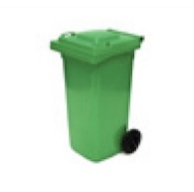 | Side-lift or rear-lift | 0.94 | 0.45 | 0.52
120L-140L | 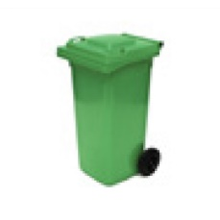 | Side-lift or rear-lift | 0.93 | 0.48 | 0.55
240L | 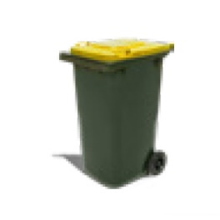 | Side-lift or rear-lift | 1.08 | 0.58 | 0.74
660L | 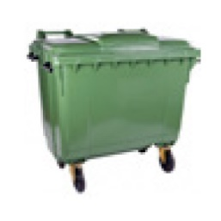 | Rear-lift | 1.22 | 1.34 | 0.5-0.8
1100L | 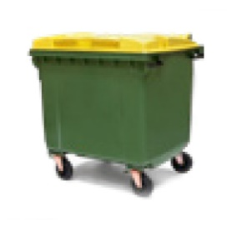 | Rear-lift | 1.48 | 1.36 | 1-1.2
1.5m3 | 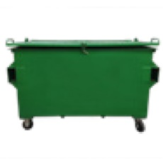 | Front-lift | 1.2-1.3 | 2-2.4 | 1-1.3
3m3 | 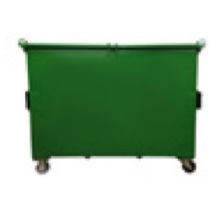 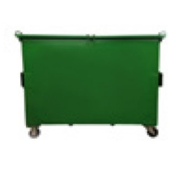 | Front-lift | 1.3-15 | 2-2.4 | 1.4-2.3
4.5m3 | 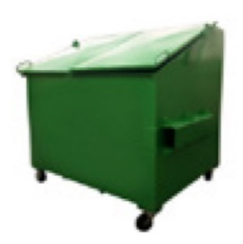 | Front-lift | 1.8 | 2 | 1.4-1.8
Trailer 6x4 | 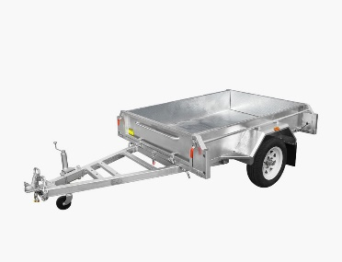 | Car/Ute | 1.8 | 1.7 | 1.2
Compactor 8.0 cubic metre | 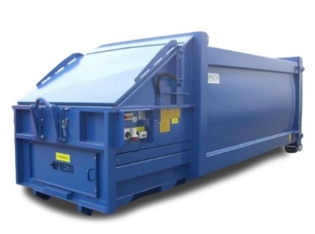 | Hook-lift | 0.98 | 5.1 | 2.4
Compactor 10 cubic metre |  | Hook-lift | 1.2 | 5.1 | 2.4
Compactor 20 cubic metre |  | Hook-lift | 1.5 | 6.7 | 2.4
Compactor 30 cubic metre |  | Hook-lift | 2.3 | 6.7 | 2.4

5. Waste Report
This page outlines how the facility is performing based on the information provided in the 'Enter Bin Data' and 'Enter Cost Data' tabs. It provides an overview of waste generation, diversion, and the associated costs. It also outlines the current methods and opportunities for managing waste.
Waste Generation
Reducing waste generation provides financial savings. Aged care providers incur costs for managing their waste including staff/cleaner time and service fees for waste collection, recycling and disposal. A larger but less visible cost is that for purchased products that are wasted due to overbuying or inefficient operations, such as food waste across kitchens.
Facility | Estimated Waste Generation Kg per bed/day
Typical SA Aged Care Facility | 2.89
Your Facility
Better Practice Aged Care Facility | 0.85
No data entered
Complete Assessment Workbook (Attachment 2) to identify opportunities to avoid/reduce waste generation.

Waste Generation
Typical SA Aged Care Facility | 2.89
Your Facility | 0.00
Better Practice Aged Care Facility | 0.85

Diversion of waste from landfill
Aged care facilities can improve their environmental performance by diverting waste from landfill and avoiding associated landfill levy payments, which are built into waste collection service fees.
Facility | Estimated Landfill Diversion % by weight of waste diverted from landfill
Typical SA Aged Care Facility | 40%
Your Facility
Better Practice Aged Care Facility | 77%

A better practice Aged Care Facility in Metropolitan Adelaide can divert more than 70% of waste from landfill. The remaining volumes (30%) includes items where no reuse or recycling options are viable (e.g. non-compostable absorbent hygiene products and medical waste). Better practice diversion is expected to be lower in Regional SA where some recycling services may be less available.
No data entered
Waste Diverted From Landfill
Typical SA Aged Care Facility | 40%
Your Facility | 0%
Better Practice Aged Care Facility | 77%

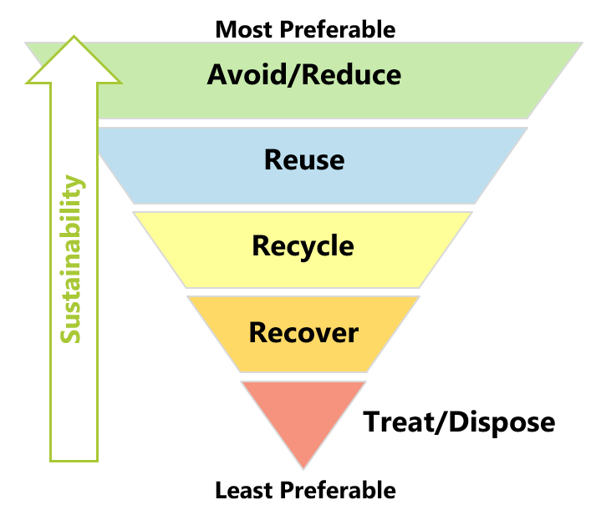
Methods for Managing Waste
Waste can be collected for reuse, recycling, recovery or landfill. The waste management hierarchy is an order of preference for the management of waste. As per the waste management hierarchy below, the most preferred option is to avoid or minimise waste generation and the least favourable option is to dispose of waste in landfill. The performance of your facility across each of these methods is summarised in the following sections. The direction of the arrow shows the most preferable order of the graph displayed below.
The Waste Management Hierarchy

Method | Tonnes Per Year | %
Reuse | 0.0
Recycle | 0.0
Recover for energy | 0.0
Treat/Dispose | 0.0
Total* | 0.0 | 0%
*Totals may not equate due to rounding
Most preferable
Total | -

Least preferable

Reuse
Reuse means designing products for adaptability and durability to ensure they aren’t disposed of until no other options are viable. This may mean donating working items that are no longer needed (e.g. furniture) or reusing leftover food scraps (e.g. to make stock). It can be hard to measure reuse volumes.
No data entered
There may be further opportunities to reuse waste and avoid associated waste management costs. To identify these opportunities complete the Assessment Workbook.

Recycling
Recycle means collecting, sorting and processing materials so that they can be used again in the creation of new products. Recycling has a positive environmental impact and for some streams is more cost-effective than landfill.
No data entered
The table below provides a summary of reuse and recycling services that are in place across better practice aged care facilities. Consideration should be given to introducing these services where available.
Consideration | Reuse / Recycling Service | Service in place at your facility?
E-waste, printer cartridges, fluorescent lighting and batteries are banned from landfill in South Australia under the SA Waste to Resources Environment Protection Policy. Aged care facilities must have systems in place to divert these items from landfill. | E-waste recycling | No
 | Printer cartridge recycling | No
 | Fluorescent tube recycling | No
 | Batteries | No
Aged care facilities generate large volumes of food waste, green waste, cardboard and white paper. These streams may be diverted from landfill via recycling services. Depending on waste volumes and the location of the aged care facility, it is likely to be more cost effective to recycle these items than send to landfill. This can be explored via seeking a quote from waste contractors. See section 1.3 of Better Practice Guide. Where services are not available, they may be managed on-site (e.g. composting systems for food waste). | Food waste recycling | No
 | Garden waste recycling | No
 | Cardboard recycling | No
 | White paper recycling | No
Additional recycling services can be introduced across aged care facilities to further improve recycling levels and/or achieve other benefits. | Confidential paper recycling | No
 | Comingled recycling | No
 | Bottles and cans (10c deposit) Recycling | No
 | Soft plastic recycling | No
Recycling services for irregular waste streams, such as scrap metal and hard waste may be contracted and scheduled to appropriately deal with these streams and save money in some instances. | Scrap metal recycling | No
 | Hard waste | No

Recover for Energy
Recovery is for waste that cannot be recycled and is converted into energy (e.g. through burning) to extract heat and electricity. This helps maximise use waste material first as a resource.
No data entered
Aged care facilities in Metropolitan Adelaide may divert non-recyclable dry materials from landfill by sending for energy recovery via a dry general waste service. Care must be taken to ensure this waste does not contain any wet materials (such as food waste).

Treat/Dispose
Some waste materials may be hazardous (e.g. medical waste) and need to be treated to minimise harm. Disposal (e.g. landfill) should only be used when other options are not viable.
No data entered
A levy is paid for every tonne sent to landfill in SA. Landfill volumes and associated levy payments may be minimised by reducing, recycling or recovering waste (see above).

Annual Costs for Waste and Resource Management Services
The main way aged care facilities can lower their waste associated costs is by reducing waste generation. Aged care facilities can also lower their landfill levy payments, which are built into waste collection service fees, by increasing landfill diversion. This way aged care facilities are also reducing the impacts of future cost increases in the SA solid waste levy.
Waste Costs | $ per year
Cost per bed | -
Total costs | $-

No data entered

Breakdown of Waste Costs (per tonne)
 | $ per year
Reuse | $-
Recycle | $-
Recover for energy | $-
Treat/Dispose | $-

